Tires-Photos
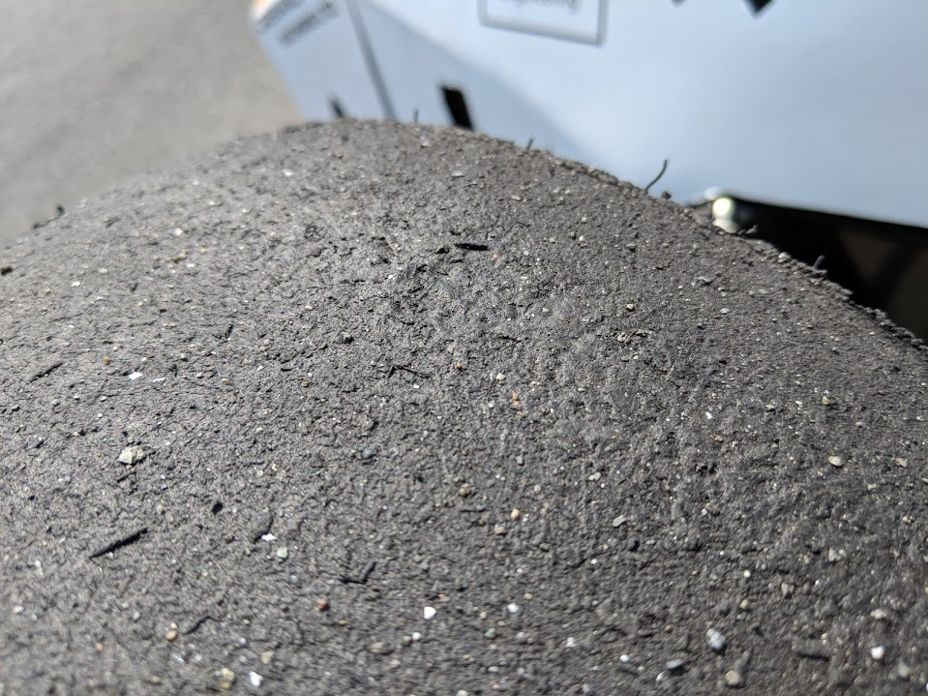
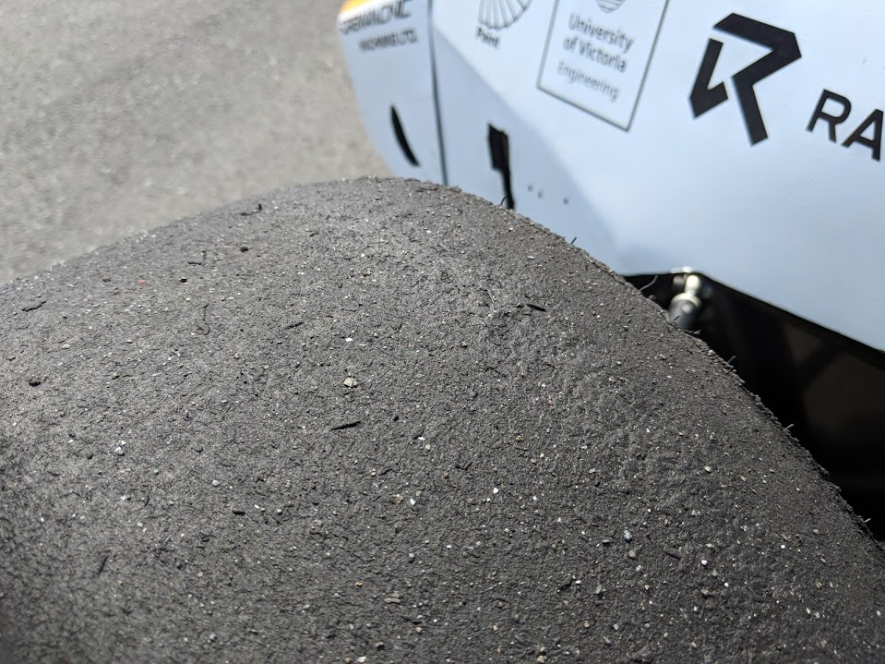
Tires appear to be reaching the end of their competition life.
It was noted that what appears to be blistering may be occuring on the front tires. See pictures below
This is to be looked into more as the rears were consistently hotter. Blistering is not a behaviour we have observed in our tires before
Could be due to deflection, but again, this was not observed in the rear tires

